Sheet1
Account Title | Bank | Branch / Code | AC # | Amount
Owais Traders | Meezan |  |  | 800,000 |  | `
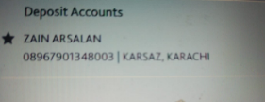
Mehroz bin zikria | Meezan |  | 11340103237447 | 40,000
MASOOD AHMED | Meezan | CLIFTON KHI | PK24MEZN0001070104414367 | 471,000
Zain Arsalan | HBL | KARSAZ KHI | 08967901348003 | 200,000
Shabbir Hussain Diwan | Bank Al-Habib | EID GAH | 1081-0081-000847-01-2 | 140,000
Hussain S Diwan | HBL |  | 00027900202103 | 39,000

Murtaza | Bank Al-Falah | TIPU SULTAN ROAD | PK15ALFH0025001000256494 | 222,000 | Pipe | ENGRO + UEP
Sabro technology pvt Ltd | Meezan |  | 0302 0100414357 | 460,000 |  |  |  |  |  | 222000
Waqar Ahmed | Meezan | Steel market |  | 38,750 | channel | MZN |  |  |  | 300000
Abdul samad | Meezan |  | 0149 0102858315 | 215,500 |  |  |  |  |  | 471000
Naveed Khan | Meezan |  | 9927-0103155122 | 30,000 |  |  |  |  |  | 993000
Adnan Hyder | Meezan | Emaar branch | PK07 MEZN 0099 9801 0477 3526 | 80,000
MN ENTERPRISES | Bank Al-Habib | Gulshan-E- Iqbal block 6 branch | 5012-0081-003237-01-9 | 14,000 |  |  |  |  |  |  | 80,000
MUHAMMAD FARHAN | Bank Al-Habib |  | 1190-0981-003761-01-5 | 27,000 |  |  | 539,500
MALIK BROTHERS | Meezan |  | 9938-0107707576 | 139,775
Mujahid Abbas | Bank Al-Habib | DHA Phase II | 11160081000219017 | 50,000
SUGHRA BIBI | Meezan | 9915 |  | 340,000
Saeed Sons
Global Technologies
Abdul Masroor khan | Bank Al-Habib |  | 12030981000754019 | 183,000
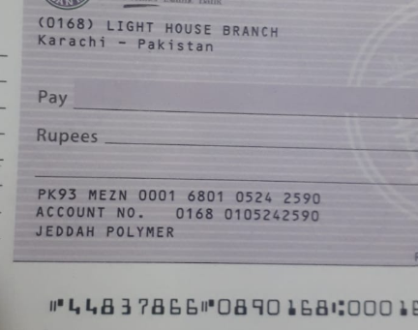
KATYS | Meezan | Allama Iqbal Road Branch Karachi | 9927-0106373819 | 500,000
SUGHRA BIBI | Meezan | 9915 |  | 500,000

M. Asif | Meezan | Nishat Comm DHA | 9974-0103674382 | 105,000
Jeddah Polymer | Meezan | Light House Branch | PK93MEZN 0001 6801 0524 2590 | 133,000

ADNAN HYDER | Meezan | Emaar Branch | PK07MEZN0099980104773526 | 55,000

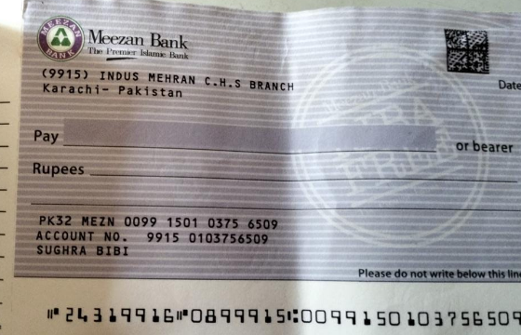
Waseem Akhtar | Bank Al-Habib | 1057 |  | 26,800

Waqar brothers | Meezan bank | 0233 Quaid e azam industrial estate lahore | 0100492134 | 500,000
Sabro technology pvt Ltd | Meezan |  | 0302 0100414357 | 350,000
Zafar Ahmed Khan | Bank Al-Habib |  | 50170081002204018 | 200,000
Rais Ahmed | Bank Al-Habib | North Nazimabad Br | 1257009500437701 | 150,000
M. Hafeez | Meezan |  | 10220106852465 | 300,000

Sultan Mehmood | MCB |  | MCB0649656291003871 | 300,000
Ibad ur Rehman | Meezan |  | 12720107295825 | 250,000
Zain Arsalan | HBL | Karsaz Karachi | 08967901348003 | 144,000

Farhan | Faysal bank | 0198 | 006000002540 | 575,980
Fariha Younus / M. Kamran Khan | Faysal Bank Limited |  | 0198150000002963 | 100,000

Anees Ahmed | Bank Al-Falah |  | 00041007815538 | 200,000
IRFAN ALI | Meezan Bank | Al Tijarah Centre Branch | PK21MEZN0001590104108748 | 400,000
Saeed Vazeer Ali | Habib Metro | Kutchi Gali | 6-01-64-20311-714-100933 | 65,250
Sharjeel Ali Khan | Habib Metro | Malir City | PK 46 MPBL 0188-0271-4014-9712 | 200,000
Sharjeel Ali Khan | HBL | Malir Saudabad | 05837900573403 | 200,000 |  | S. No | Account | Bill # | Amount | total
YUMNA ABID | Meezan Bank |  | 9973-0104672623 | 153,500 |  | 1 | Sana Safinaz | 353 | 247,080 | 247,080
Rehan Ahmed | Meezan Bank |  | 0167-0101528901 | 300,000 |  | 2 | Sana Safinaz | 354 | 164,160 | 411,240
Nadeem Iqbal | MCB | Maryam Center DHA PHASE II | PK 22 MUCB 0035-8514-5100-6699 | 300,000 |  | 3 | VISA office | 373 | 39,160 | 450,400
Shabbir Hussain Diwan | Bank Al-Habib | EID GAH | 1081-0081-000847-01-2 | 534,000 |  | 4 | VISA office | 373 | 125,580 | 575,980
Anis Ur Rehman | HBL | PIB Colony | 00290023593401 | 100,000
Sami ul Haq | Faysal Bank Limited | Korangi Industrial Area | PK 86 FAYS 0156-0069-0012-8314 | 100,000
Islamuddin & Sons | Bank Al-Falah | EID GAH | 0024-1002692054 | 100,000
Master Traders | Bank Al-Falah | Pakistan chowk | PK 71 ALFH 0288001004994366 | 241,832

Account Title | Bank | Branch | AC # | Amount
Shabbir Hussain Diwan | Bank Al-Habib | EID GAH | 1081-0081-000847-01-2 | 34,296
Anis Ur Rehman | HBL | PIB Colony | 00290023593401 | 85,950
Fateh Ali Tajani | Meezan | Steel Market br | PK06 MEZN 0099 6001 0321 7295 | 61,560

